Instructions
CGI IMAGE BRIEF

CGI Image Project Overview | Completing the CGI Image Brief (All blue headed columns)
Project Data Form
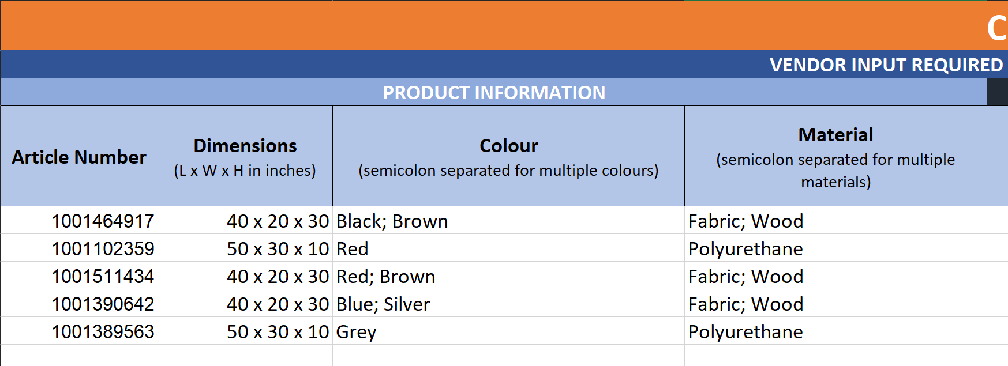
This brief is designed to provide the Home Depot Canada's Content Lab team and partners with the information needed to create high resolution CGI images for product pages, showcasing products at their best where the provided photography is lacking. The Content Lab team can, in most cases, work with existing imagery to create high quality models and rendered images. Clear, full product images on a white background (Silos), with or without dimension marks are available. The Content Lab team can also create product Variations based on existing models. Variations take existing models - either from this project or an earlier one, and re-render them with different colours and/or textures. | Fill in the "Product Information" columns by providing the Article Number, Dimensions, Colour(s), and Material(s) for all products in the project. For products with more than one colour or material, use semicolons to separate values. Example:
Model and Render Example:
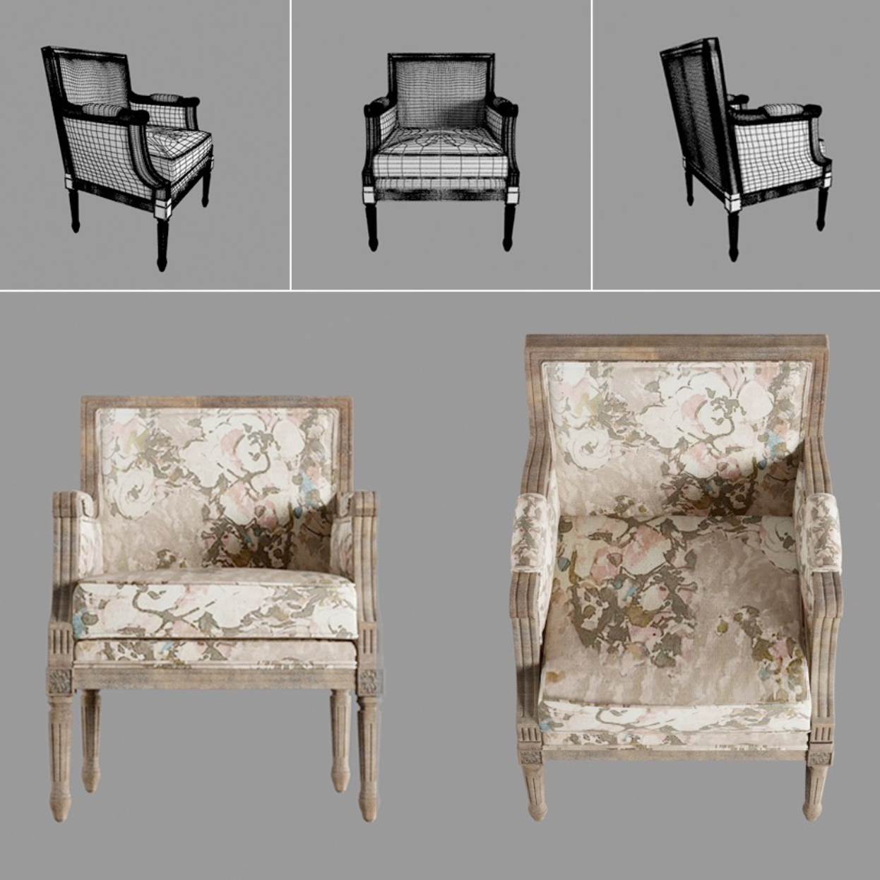

 | Fill in the "Request Details" columns by selecting which asset type you need for each product with an "x" (see example below). Remember that most products will require Silos. Variations are used when you need an image of a product that already has a Silo in a different colour, material, or finish. Let us know if you want us to include dimension marks by placing an "x" in that column. If the asset type is "Variation" - please include the Article Number for which the original Silo was created (see example).

 | Example:
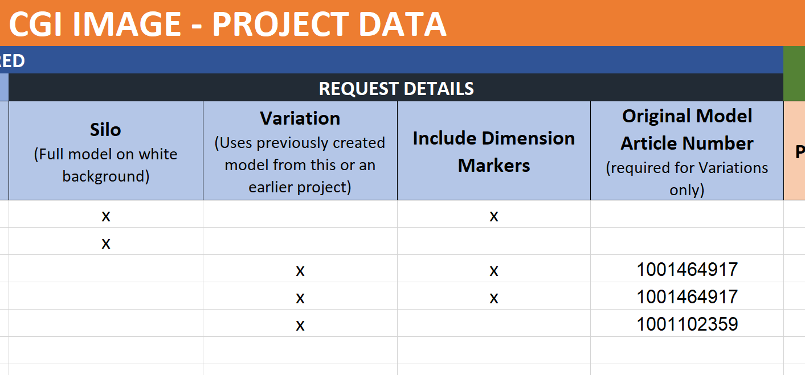

Final Image Asset with Dimension Example:
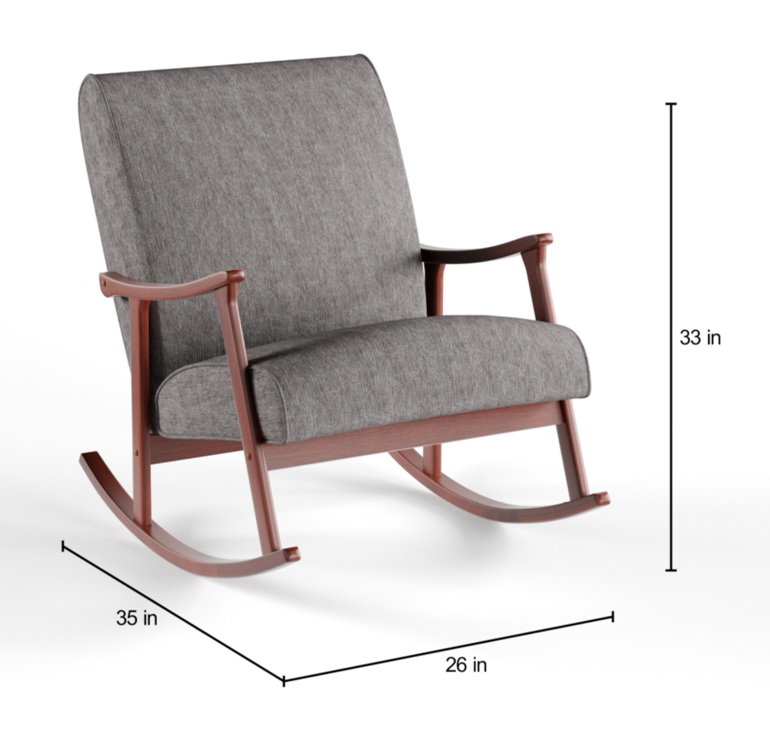

Save & Submit

 | Save this file, replacing the word "TEMPLATE" in the file name with the date (YYYY-MM-DD) and another project identifier, such as a vendor or brand name, or a category. e.g. "HD_CGI-Image-Brief_2020-04-15_PatioFurniture". Visit the Content Lab Zendesk portal by clicking the link below and then click "Submit a request". Fill out the form and attach this brief to the request. Click "Submit" to request your project. You will recieve an email back with a project number attached to your project. The Content Lab team will also be in touch with any questions or clarifications we need to complete your request.

 | https://contentlabca.zendesk.com/hc/en-ca

